Sheet1
when click green button, it will create record as above and will move green button into new record
kept in each records

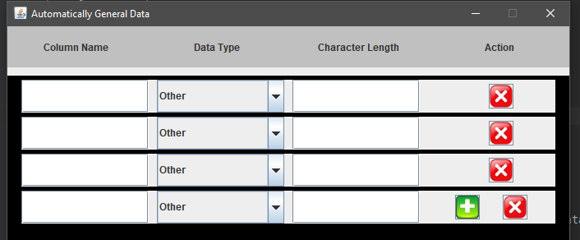

if remove last record then green button will move into above record

